Report
PROJECT NAME: Orange HRM |  |  |  |  | BUG SUMMARY |  | Level | User Impact |  | Business Impact |  | Status | Reviewed By
Module Name: Bug Report |  |  |  |  |  |  | Critical | 80-100% |  | 80-100% |  | þ | Manager
Dependencies: Manual Test Case |  |  |  |  |  |  | High | 70-80% |  | 70-80% |  | þ | Manager
Test Priority (Low/Mid/High/Highest): |  |  | High |  |  |  | Medium | 50-70% |  | 50-70% |  | þ | Manager
 |  |  |  |  |  |  | Low | 20-50% |  | 20-50% |  | þ | Manager

BUG ID | Test Case ID | BUG Description | Steps to Find if Required | Founded Date | Reported By | Assigned To | Priority | Severity | Type | Reproducibility | Linked Issue | Status | Environment | Remarks | Attachment

OrangeHRM_BUG_1 | TC_MyInfo_003 | Dashboard is displayed after successful login instead of MyInfo page | 1) Launch browser 2) Open URL "https://opensource-demo.orangehrmlive.com" 3) Provide valid ESS user name and password 4) ) Click on Login button | 2022-03-16 | Trainee | Developer | P3 (Low) | Minor |  | Everytime |  | InProgress | Web Page |  | 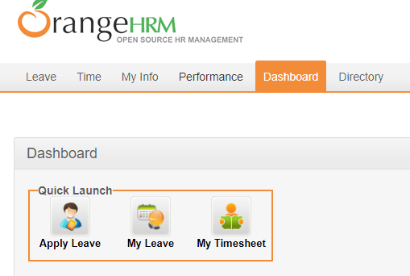
OrangeHRM_BUG_2 | TC_MyInfo_012 | The invalid file format error message for invalid photographs is appearing after the upload is complete. | 1) Login to OrangeHRM as ESS user 2) Click on MyInfo tab 3) Click on the Upload File Option 4) Click "Browse" and select a image 5) Click "Upload" Button | 2022-03-16 | Tester Name | Developer | P3 (Low) | Minor |  | Random | NG-412 | Open | Web Page

